Company Info
 | Company / Setup Information

 | Name of Entity | Cherry Picking Enterprises
 | Type of Entity | LLC
 | Name of Bar & Restaurant | The Dancing Dog
 | Type of Concept | Bar with Quick Serve Food
 | Number of Seats | 40
 | Square Footage | 1,670
 | Projected Opening Date | 2015-03-01
 | Equity Capital | $ 125,000

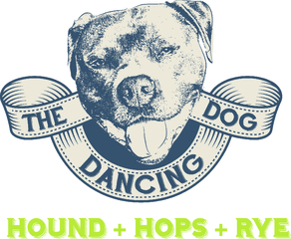

Copyright © 2012-2013 RestaurantOwner.com

Project Sources & Uses
P R E L I M I N A R Y
Cherry Picking Enterprises
Projected Sources & Uses of Cash
Development & Startup Period

SOURCES OF CASH:
 | Equity Contributions | $ 125,000
 | Tenant Improvements | $ 0
 | Financing | 106,571
TOTAL SOURCES OF CASH |  |  | $ 231,571

USES OF CASH:
 | Land & Building | 0
 | Leasehold Improvements | 45,716
 | Business Purchase | 0
 | Furniture, Fixtures & Equipment | 71,500
 | Professional Services | 9,200
 | Organizational & Development | 22,934
 | Interior Finishes & Equipment | 14,400
 | Exterior Finishes & Equipment | 4,500
 | Pre-Opening Expenses | 33,749
 | Working Capital & Contingency | 29,572
TOTAL USES OF CASH |  |  | $ 231,571

